Struktur Sales
Branch | Dept | Team Id | Level | Status | Branch | Dept | Team Id | Manpower Available | Vaccant | Manpower | Supervisor | Coordinator | Sales | Omset (6 months) | Average per month | Average per month per manpower | Average per day |  | Branch | Manpower Available | Vaccant | Manpower | Omset (6 months) | Average per months per manpower
JBR01 | SLS | AD | Sales | Active | JBR01 | SLS | EL | 9 | 0 | 9 | 1 | 1 | 7 | 42,474,191,000 | 7,079,031,833 | 884,878,979 | 42,137,094 |  | JBR01 | 51 | 2 | 53 | 127,039,270,000 | 415,161,013
JBR01 | SLS | EC | Supervisor | Active | JBR01 | SLS | IC | 7 | 1 | 8 | 1 | 1 | 6 | 25,858,174,000 | 4,309,695,667 | 718,282,611 | 34,203,934 |  | JBR02 | 11 | 3 | 14 | 15,884,410,000 | 240,672,879
JBR01 | SLS | EC | Sales | Active | JBR01 | SLS | PI | 13 | 0 | 13 | 1 | 2 | 10 | 18,076,987,000 | 3,012,831,167 | 251,069,264 | 11,955,679 |  | JBR03 | 21 | 0 | 21 | 35,500,610,000 | 281,750,873
JBR01 | SLS | EL | Supervisor | Active | JBR01 | SLS | PJ | 7 | 0 | 7 | 1 | 0 | 6 | 8,340,627,000 | 1,390,104,500 | 231,684,083 | 11,032,575 |  | JBR04 | 22 | 4 | 26 | 38,425,236,000 | 291,100,273
JBR01 | SLS | EL | Coordinator | Active | JBR01 | SLS | AD | 2 | 0 | 2 | 0 | 0 | 2 | 8,340,627,000 | 1,390,104,500 | 695,052,250 | 33,097,726 |  | JBR05 | 25 | 3 | 28 | 47,031,857,000 | 313,545,713
JBR01 | SLS | EL | Sales | Active | JBR01 | SLS | PP | 10 | 1 | 11 | 1 | 1 | 9 | 21,279,193,000 | 3,546,532,167 | 394,059,130 | 18,764,720 |  | BTN01 | 5 | 0 | 5 | 8,611,159,000 | 287,038,633
JBR01 | SLS | IC | Supervisor | Active | JBR01 | SLS | EC | 3 | 0 | 3 | 1 | 0 | 2 | 1,857,382,000 | 309,563,667 | 154,781,833 | 7,370,563
JBR01 | SLS | IC | Coordinator | Vaccant | JBR02 | SLS | EL | 2 | 1 | 3 | 1 | 1 | 1 | 655,212,000 | 109,202,000 | 109,202,000 | 5,200,095
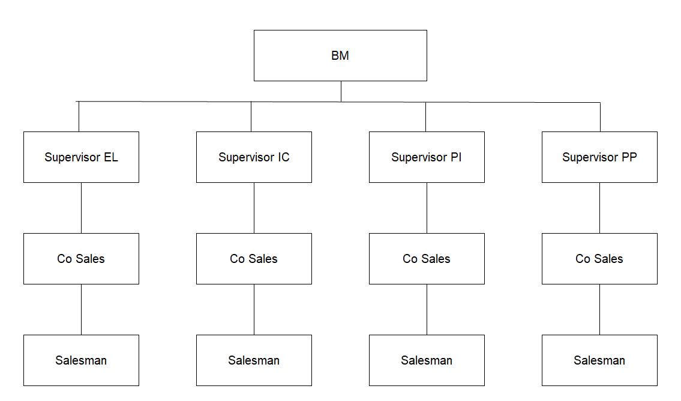
JBR01 | SLS | IC | Sales | Active | JBR02 | SLS | IC | 4 | 1 | 5 | 1 | 1 | 3 | 13,353,452,000 | 2,225,575,333 | 741,858,444 | 35,326,593
JBR01 | SLS | PI | Supervisor | Active | JBR02 | SLS | PI | 2 | 1 | 3 | 1 | 1 | 1 | 466,500,000 | 77,750,000 | 77,750,000 | 3,702,381
JBR01 | SLS | PI | Coordinator | Active | JBR02 | SLS | PP | 3 | 0 | 3 | 1 | 1 | 1 | 1,409,246,000 | 234,874,333 | 117,437,167 | 5,592,246
JBR01 | SLS | PI | Sales | Active | JBR03 | SLS | EL | 8 | 0 | 8 | 1 | 1 | 6 | 16,553,990,000 | 2,758,998,333 | 394,142,619 | 18,768,696
JBR01 | SLS | PJ | Sales | Active | JBR03 | SLS | PI | 5 | 0 | 5 | 1 | 1 | 3 | 761,878,000 | 126,979,667 | 31,744,917 | 1,511,663
JBR01 | SLS | PP | Supervisor | Active | JBR03 | SLS | PP | 8 | 0 | 8 | 1 | 1 | 6 | 15,937,980,000 | 2,656,330,000 | 379,475,714 | 18,070,272
JBR01 | SLS | PP | Coordinator | Active | JBR04 | SLS | EL | 6 | 1 | 7 | 1 | 1 | 5 | 16,594,571,000 | 2,765,761,833 | 553,152,367 | 26,340,589
JBR01 | SLS | PP | Sales | Active | JBR04 | SLS | IC | 4 | 1 | 5 | 1 | 1 | 3 | 5,338,105,000 | 889,684,167 | 296,561,389 | 14,121,971
JBR02 | SLS | EL | Supervisor | Active | JBR04 | SLS | PI | 6 | 1 | 7 | 1 | 1 | 5 | 3,343,644,000 | 557,274,000 | 111,454,800 | 5,307,371
JBR02 | SLS | EL | Coordinator | Vaccant | JBR04 | SLS | PP | 6 | 1 | 7 | 1 | 1 | 5 | 8,868,361,000 | 1,478,060,167 | 295,612,033 | 14,076,763
JBR02 | SLS | EL | Sales | Active | JBR05 | SLS | EL | 7 | 0 | 7 | 1 | 1 | 5 | 9,628,588,000 | 1,604,764,667 | 267,460,778 | 12,736,228
JBR02 | SLS | IC | Supervisor | Active | JBR05 | SLS | IC | 7 | 0 | 7 | 1 | 1 | 5 | 23,159,521,000 | 3,859,920,167 | 643,320,028 | 30,634,287
JBR02 | SLS | IC | Coordinator | Vaccant | JBR05 | SLS | PI | 4 | 3 | 7 | 1 | 1 | 5 | 1,296,311,000 | 216,051,833 | 72,017,278 | 3,429,394
JBR02 | SLS | IC | Sales | Active | JBR05 | SLS | PP | 7 | 0 | 7 | 1 | 1 | 5 | 9,863,693,000 | 1,643,948,833 | 273,991,472 | 13,047,213
JBR02 | SLS | PI | Supervisor | Active | BTN01 | SLS | PJ | 5 | 0 | 5 | 1 | 0 | 4 | 8,611,159,000 | 1,435,193,167 | 358,798,292 | 17,085,633
JBR02 | SLS | PI | Coordinator | Vaccant
JBR02 | SLS | PI | Sales | Active
JBR02 | SLS | PP | Supervisor | Active
JBR02 | SLS | PP | Coordinator | Vaccant
JBR02 | SLS | PP | Sales | Active | Branch |  | Dept | Team Id | Manpower Available | Vaccant | Manpower | Supervisor | Coordinator | Sales | Omset (6 months) | Average per month | Average per month per manpower | Average per day
JBR03 | SLS | EL | Supervisor | Active | JBR01 | Bandung | SLS | AD | 2 | 0 | 2 | 0 | 0 | 2 | 8,340,627,000 | 1,390,104,500 | 695,052,250 | 33,097,726
JBR03 | SLS | EL | Coordinator | Active | JBR01 | Bandung | SLS | EC | 3 | 0 | 3 | 1 | 0 | 2 | 1,857,382,000 | 309,563,667 | 154,781,833 | 7,370,563
JBR03 | SLS | EL | Sales | Active | JBR01 | Bandung | SLS | EL | 9 | 0 | 9 | 1 | 1 | 7 | 42,474,191,000 | 7,079,031,833 | 884,878,979 | 42,137,094
JBR03 | SLS | IC | Supervisor | Active | JBR02 | Karawang | SLS | EL | 2 | 1 | 3 | 1 | 1 | 1 | 655,212,000 | 109,202,000 | 109,202,000 | 5,200,095
JBR03 | SLS | PI | Supervisor | Active | JBR03 | Cirebon | SLS | EL | 8 | 0 | 8 | 1 | 1 | 6 | 16,553,990,000 | 2,758,998,333 | 394,142,619 | 18,768,696
JBR03 | SLS | PI | Coordinator | Active | JBR04 | Tasikmalaya | SLS | EL | 6 | 1 | 7 | 1 | 1 | 5 | 16,594,571,000 | 2,765,761,833 | 553,152,367 | 26,340,589
JBR03 | SLS | PI | Sales | Active | JBR05 | Bogor | SLS | EL | 7 | 0 | 7 | 1 | 1 | 5 | 9,628,588,000 | 1,604,764,667 | 267,460,778 | 12,736,228
JBR03 | SLS | PP | Supervisor | Active | JBR01 | Bandung | SLS | IC | 7 | 1 | 8 | 1 | 1 | 6 | 25,858,174,000 | 4,309,695,667 | 718,282,611 | 34,203,934
JBR03 | SLS | PP | Coordinator | Active | JBR02 | Karawang | SLS | IC | 4 | 1 | 5 | 1 | 1 | 3 | 13,353,452,000 | 2,225,575,333 | 741,858,444 | 35,326,593
JBR03 | SLS | PP | Sales | Active | JBR04 | Tasikmalaya | SLS | IC | 4 | 1 | 5 | 1 | 1 | 3 | 5,338,105,000 | 889,684,167 | 296,561,389 | 14,121,971
JBR04 | SLS | EL | Supervisor | Vaccant | JBR05 | Bogor | SLS | IC | 7 | 0 | 7 | 1 | 1 | 5 | 23,159,521,000 | 3,859,920,167 | 643,320,028 | 30,634,287
JBR04 | SLS | EL | Coordinator | Active | JBR01 | Bandung | SLS | PI | 13 | 0 | 13 | 1 | 2 | 10 | 18,076,987,000 | 3,012,831,167 | 251,069,264 | 11,955,679
JBR04 | SLS | EL | Sales | Active | JBR02 | Karawang | SLS | PI | 2 | 1 | 3 | 1 | 1 | 1 | 466,500,000 | 77,750,000 | 77,750,000 | 3,702,381
JBR04 | SLS | IC | Supervisor | Vaccant | JBR03 | Cirebon | SLS | PI | 5 | 0 | 5 | 1 | 1 | 3 | 761,878,000 | 126,979,667 | 31,744,917 | 1,511,663
JBR04 | SLS | IC | Coordinator | Active | JBR04 | Tasikmalaya | SLS | PI | 6 | 1 | 7 | 1 | 1 | 5 | 3,343,644,000 | 557,274,000 | 111,454,800 | 5,307,371
JBR04 | SLS | IC | Sales | Active | JBR05 | Bogor | SLS | PI | 4 | 3 | 7 | 1 | 1 | 5 | 1,296,311,000 | 216,051,833 | 72,017,278 | 3,429,394
JBR04 | SLS | PI | Supervisor | Vaccant | JBR01 | Bandung | SLS | PJ | 7 | 0 | 7 | 1 | 0 | 6 | 8,340,627,000 | 1,390,104,500 | 231,684,083 | 11,032,575
JBR04 | SLS | PI | Coordinator | Active | BTN01 | Tangerang | SLS | PJ | 5 | 0 | 5 | 1 | 0 | 4 | 8,611,159,000 | 1,435,193,167 | 358,798,292 | 17,085,633
JBR04 | SLS | PI | Sales | Active | JBR01 | Bandung | SLS | PP | 10 | 1 | 11 | 1 | 1 | 9 | 21,279,193,000 | 3,546,532,167 | 394,059,130 | 18,764,720
JBR04 | SLS | PP | Supervisor | Vaccant | JBR02 | Karawang | SLS | PP | 3 | 0 | 3 | 1 | 1 | 1 | 1,409,246,000 | 234,874,333 | 117,437,167 | 5,592,246
JBR04 | SLS | PP | Coordinator | Active | JBR03 | Cirebon | SLS | PP | 8 | 0 | 8 | 1 | 1 | 6 | 15,937,980,000 | 2,656,330,000 | 379,475,714 | 18,070,272
JBR04 | SLS | PP | Sales | Active | JBR04 | Tasikmalaya | SLS | PP | 6 | 1 | 7 | 1 | 1 | 5 | 8,868,361,000 | 1,478,060,167 | 295,612,033 | 14,076,763
JBR05 | SLS | EL | Supervisor | Active | JBR05 | Bogor | SLS | PP | 7 | 0 | 7 | 1 | 1 | 5 | 9,863,693,000 | 1,643,948,833 | 273,991,472 | 13,047,213
JBR05 | SLS | EL | Coordinator | Active
JBR05 | SLS | EL | Sales | Active
JBR05 | SLS | IC | Supervisor | Active
JBR05 | SLS | IC | Coordinator | Active
JBR05 | SLS | IC | Sales | Active
JBR05 | SLS | PI | Supervisor | Active
JBR05 | SLS | PI | Coordinator | Vaccant
JBR05 | SLS | PI | Sales | Active
JBR05 | SLS | PP | Supervisor | Active
JBR05 | SLS | PP | Coordinator | Active
JBR05 | SLS | PP | Sales | Active
BTN01 | SLS | PJ | Sales | Active

